Sheet1
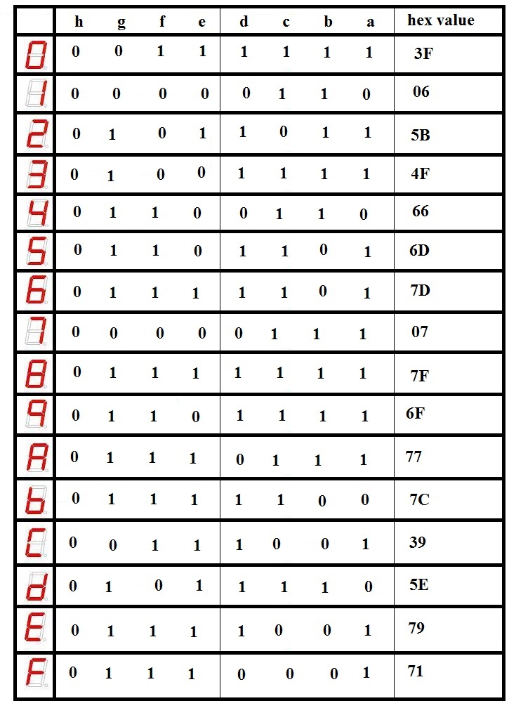
row constants
 |  |  | column constans
 |  |  | g |  | f |  | e |  | d |  | c |  | b |  | a
 | 0 |  | 0 | C | 1 | 1 | 1 | 5 | 1 | D | 1 | B | 1 | F | 1 | D
 | 1 |  | 0 |  | 0 |  | 0 |  | 0 |  | 1 |  | 1 |  | 0
 | 2 |  | 1 |  | 0 |  | 1 |  | 1 |  | 0 |  | 1 |  | 1
 | 3 |  | 1 |  | 0 |  | 0 |  | 1 |  | 1 |  | 1 |  | 1
 | 4 |  | 1 | 7 | 1 | 7 | 0 | 4 | 0 | 6 | 1 | F | 1 | 9 | 0 | E
 | 5 |  | 1 |  | 1 |  | 0 |  | 1 |  | 1 |  | 0 |  | 1
 | 6 |  | 1 |  | 1 |  | 1 |  | 1 |  | 1 |  | 0 |  | 1
 | 7 |  | 0 |  | 0 |  | 0 |  | 0 |  | 1 |  | 1 |  | 1
 | 8 |  | 1 | F | 1 | F | 1 | D | 1 | B | 1 | F | 1 | 7 | 1 | 7
 | 9 |  | 1 |  | 1 |  | 0 |  | 1 |  | 1 |  | 1 |  | 1
 | A |  | 1 |  | 1 |  | 1 |  | 0 |  | 1 |  | 1 |  | 1
 | b |  | 1 |  | 1 |  | 1 |  | 1 |  | 1 |  | 0 |  | 0
 | C |  | 0 | E | 1 | D | 1 | F | 1 | 7 | 0 | 2 | 0 | 2 | 1 | D
 | d |  | 1 |  | 0 |  | 1 |  | 1 |  | 1 |  | 1 |  | 0
 | E |  | 1 |  | 1 |  | 1 |  | 1 |  | 0 |  | 0 |  | 1
 | F |  | 1 |  | 1 |  | 1 |  | 0 |  | 0 |  | 0 |  | 1
 |  |  | column bottom up
 |  | a |  | d7ed |  |  | 3ed
 |  | b |  | 279f |  |  | 39f
 |  | c |  | 2bfb |  |  | 3fb
 |  | d |  | 7b6d |  |  | 36d
 |  | e |  | fd45 |  |  | 145
 |  | f |  | df71 |  |  | 371
 |  | g |  | ef7c |  |  | 37c
 |  |  |  | hex |  |  | BCD

